grain size analysis
before the flood (2011)
after the flood (2011)
mean
percent passing(%)
particle size (mm)
* grain-size distribution of bed material (2011) _ grid sampling(Hack_1947)
particle size time | D35(mm) | D50(mm) | D65(mm) | D90(mm) | 균등계수 Coefficient of uniformity (Cu) | 곡률계수 Coefficient of curvature (Cg)
평군 (mean) | 0.70 | 0.86 | 1.01 | 1.68 | 2.31 | 1.08

* grain-size distribution of bed material (2013) _ grid sampling(Hack_1947)

* particle size distribution of suspended sediment (2013)_Laser Diffraction |  |  |  |  |  |  |  |  | * grain-size distribution of bed material (2013)_Sieve

No | particle size distribution of suspended sediment (%) |  |  |  |  |  |  |  | particle size time | D10 | D30 | D35 | D60 | D65 | 균등계수 Coefficient of uniformity (Cu) | 곡률계수 Coefficient of curvature (Cg)
 | range (mm) |  |  |  |  |  |  |  | 홍수전 (before the flood) | 0.52 | 0.68 | 0.73 | 0.95 | 0.99 | 1.82 | 0.95
 | 0.0020~ | 0.063~ | 0.126~ | 0.26~ | 0.51~ | 1.1~ | 2.1~ | 4.1~ | 홍수후(after the flood ) | 0.52 | 0.68 | 0.73 | 0.95 | 0.99 | 1.83 | 0.95
 | 0.062 | 0.125 | 0.25 | 0.5 | 1 | 2 | 4 | 8 | 평균 (mean) | 0.52 | 0.68 | 0.73 | 0.95 | 0.99 | 1.83 | 0.95
1 | 55.7 | 8 | 1.6 | 1.11 | 8.81 | 16.41 | 7.6 | 0 | particle size time | D5 | D10 | D15 | D20 | D25 | D30 | D35 | D40 | D45 | D50 | D55 | D60 | D65 | D70 | D75 | D80 | D85 | D90 | D95 | D100
2 | 75.9 | 6.64 | 1.43 | 0.41 | 3.59 | 6.49 | 2.78 | 0 | 홍수전 (before the flood) | 0.36 | 0.52 | 0.56 | 0.60 | 0.64 | 0.68 | 0.73 | 0.77 | 0.82 | 0.86 | 0.90 | 0.95 | 0.99 | 1.16 | 1.36 | 1.41 | 1.79 | 2.00 | 3.56 | 16.00
3 | 81.08 | 6.41 | 1.73 | 0.66 | 1.22 | 2.15 | 1.12 | 0 | 홍수후 (after the flood ) | 0.36 | 0.52 | 0.56 | 0.60 | 0.64 | 0.68 | 0.73 | 0.76 | 0.82 | 0.86 | 0.90 | 0.95 | 0.99 | 1.15 | 1.36 | 1.41 | 1.81 | 2.36 | 3.68 | 16.00
4 | 82.77 | 8.97 | 3.16 | 0.99 | 0.22 | 0 | 0 | 0 | 평균 (mean) | 0.36 | 0.52 | 0.56 | 0.60 | 0.64 | 0.68 | 0.73 | 0.77 | 0.82 | 0.86 | 0.90 | 0.95 | 0.99 | 1.15 | 1.36 | 1.41 | 1.80 | 2.18 | 3.62 | 16.00
5 | 82.7 | 9.34 | 3.39 | 1.01 | 0.12 | 0 | 0 | 0
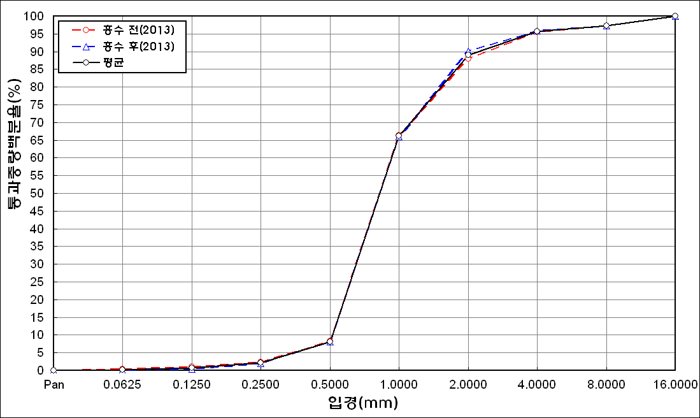
before the flood (2013)
after the flood (2013)
mean
percent passing(%)
particle size (mm)
6 | 82.95 | 8.8 | 3.04 | 0.81 | 0.38 | 0.45 | 0.23 | 0
7 | 81.24 | 9.51 | 3.65 | 1.13 | 0.29 | 0 | 0 | 0
8 | 83.84 | 7.1 | 2.55 | 0.79 | 0.26 | 0.04 | 0 | 0
9 | 84.19 | 6.42 | 2.05 | 0.82 | 0.31 | 0.09 | 0.02 | 0
10 | 84.68 | 5.9 | 1.82 | 0.65 | 0.33 | 0.38 | 0.22 | 0
11 | 84.63 | 7.67 | 2.06 | 0.3 | 0.02 | 0.23 | 0.15 | 0
12 | 76 | 8.04 | 2.2 | 0.5 | 2.39 | 4.39 | 2.19 | 0
13 | 86.74 | 5.24 | 2.44 | 0.86 | 0.6 | 1.61 | 0.93 | 0
14 | 80.43 | 7.76 | 1.64 | 0.85 | 1.74 | 3.69 | 2.18 | 0
15 | 87.66 | 6.92 | 2.41 | 0.46 | 0.16 | 0.21 | 0.09 | 0
16 | 79.24 | 11.74 | 3.66 | 0.71 | 1.53 | 0.95 | 0.54 | 0
17 | 82.79 | 9.11 | 2.27 | 0.36 | 0.36 | 1.99 | 1.13 | 0
18 | 87.68 | 7.35 | 0.64 | 0.15 | 0.07 | 1.28 | 0.84 | 0
19 | 89.24 | 6.95 | 0.68 | 0.3 | 0.41 | 0.29 | 0.12 | 0
mean | 81.55 | 7.78 | 2.23 | 0.68 | 1.2 | 2.14 | 1.06 | 0

* grain-size distribution of bed material (2014) _ grid sampling(Hack_1947)

* particle size distribution of suspended sediment (2014)_Laser Diffraction
 |  |  |  |  |  |  |  |  | * grain-size distribution of bed material (2014)_Sieve
No | particle size distribution of suspended sediment (%)
 | range (mm) |  |  |  |  |  |  |  | particle size time | D10 | D30 | D35 | D60 | D65 | 균등계수 Coefficient of uniformity (Cu) | 곡률계수 Coefficient of curvature (Cg)
 | 0.0020~ | 0.063~ | 0.126~ | 0.26~ | 0.51~ | 1.1~ | 2.1~ | 4.1~ | 홍수전 (before the flood) | - | - | - | - | - | - | -
 | 0.062 | 0.125 | 0.25 | 0.5 | 1 | 2 | 4 | 8 | 홍수후(after the flood ) | 0.51 | 0.77 | 0.82 | 1.15 | 1.18 | 2.25 | 1.01
1 | 80.11 | 11.77 | 4.3 | 1.39 | 0.48 | 0 | 0 | 0 | 평균 (mean) | - | - | - | - | - | - | -
2 | 80.12 | 12.23 | 4.53 | 0.94 | 0.21 | 0.01 | 0 | 0 | particle size time | D5 | D10 | D15 | D20 | D25 | D30 | D35 | D40 | D45 | D50 | D55 | D60 | D65 | D70 | D75 | D80 | D85 | D90 | D95 | D100
3 | 81.49 | 11.66 | 3.67 | 0.93 | 0.09 | 0 | 0 | 0 | 홍수전 (before the flood) | - | - | - | - | - | - | - | - | - | - | - | - | - | - | - | - | - | - | - | -
4 | 82.57 | 9.64 | 4.03 | 0.85 | 0.01 | 0 | 0 | 0 | 홍수후 (after the flood ) | 0.38 | 0.51 | 0.59 | 0.64 | 0.70 | 0.77 | 0.82 | 0.90 | 0.94 | 1.00 | 1.06 | 1.15 | 1.18 | 1.33 | 1.48 | 1.66 | 1.83 | 2.00 | 11.52 | 19.00
5 | 85.88 | 8.15 | 2.85 | 0.05 | 0 | 0 | 0 | 0 | 평균 (mean) | - | - | - | - | - | - | - | - | - | - | - | - | - | - | - | - | - | - | - | -
6 | 84.09 | 9.79 | 3.24 | 0.17 | 0 | 0 | 0 | 0
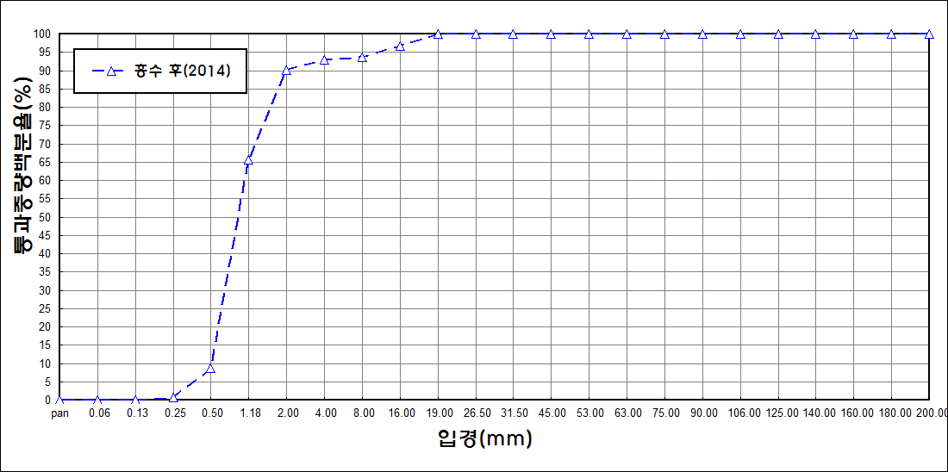
after the flood (2014)
percent passing(%)
particle size (mm)
7 | 84.7 | 8.79 | 2.95 | 0.58 | 0.03 | 0 | 0 | 0
8 | 78.18 | 13.88 | 5.72 | 0.4 | 0.03 | 0 | 0 | 0
9 | 82.93 | 11.9 | 3.46 | 0.04 | 0 | 0 | 0 | 0
10 | 80.77 | 13.62 | 3.71 | 0 | 0 | 0 | 0 | 0
11 | 79.81 | 12.79 | 5.62 | 0.11 | 0 | 0 | 0 | 0
12 | 80.44 | 13.85 | 3.84 | 0.29 | 0.07 | 0 | 0 | 0
13 | 82.19 | 10.42 | 4.34 | 0.63 | 0 | 0 | 0 | 0
14 | 82.65 | 10.47 | 4.41 | 0.2 | 0 | 0 | 0 | 0
15 | 84.93 | 10.24 | 2.61 | 0.04 | 0 | 0 | 0 | 0
16 | 86.64 | 7.08 | 2.99 | 0.57 | 0.08 | 0 | 0 | 0
17 | 82.96 | 10.27 | 4.54 | 0.47 | 0 | 0 | 0 | 0
18 | 81.34 | 11.63 | 4.68 | 0.62 | 0.02 | 0 | 0 | 0
19 | 88.03 | 8.26 | 1.64 | 0 | 0 | 0 | 0 | 0
20 | 82.54 | 12.17 | 3.83 | 0.09 | 0 | 0 | 0 | 0
21 | 83.81 | 8.85 | 3.78 | 1.23 | 0.11 | 0.01 | 0 | 0
22 | 84.11 | 9.42 | 3.7 | 0.32 | 0.02 | 0 | 0 | 0
23 | 87.14 | 7.52 | 2.69 | 0.17 | 0 | 0 | 0 | 0
mean | 82.62 | 10.87 | 3.85 | 0.44 | 0.05 | 0 | 0 | 0

